contract
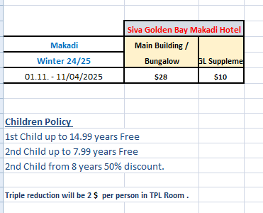
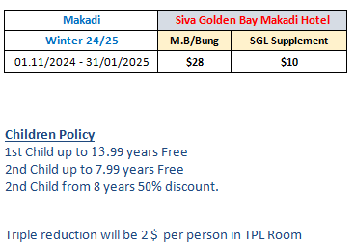
first date | second date | SGL-BUNG | DBL-BUNG | TPL-BUNG | SGL+CH | DBLCH-BUNG
2023-08-01 | 2024-10-31 | 34 | 48 | 66 | 46 | 60
2024-11-01 | 2025-04-11 | 38 | 56 | 78 | 42 | 70

